Dataset
 | Reference Data - Demand per Month
 | Supplier | Line 1 | Line 2 | Line 3 | Line 4 | Grand Total
 | Supplier A | 8119.31 | 5796.175 | 8530.656 | 5191.73 | 27637.871
 | Grand Total | 8119.31 | 5796.175 | 8530.656 | 5191.73 | 27637.871

 |  |  |  |  |  |  | LP Data - Demand per Day |  |  | 1 Month = | 22 | Days
 | Plant | Distance | Line 1 | Line 2 | Line 3 | Line 4 | Supplier | Line 1 | Line 2 | Line 3 | Line 4 | Grand Total
 | CCIC | Suksawadi | 6 | 9 | 7 | 5 | Supplier A | 369.05954545 | 263.4625 | 387.75709091 | 235.98772727 | 1256.2668636
 | CNI | Suksawadi | 10 | 18 | 23 | 27 | Column1 | Column2 | Column3 | Column4 | Column5 | 1257
 | KCP | Bangbon | 8 | 11 | 12 | 12 | Demand Total | 370 | 264 | 388 | 236
 | TSA | Bangna-Trad | 11 | 13 | 14 | 12
 |  |  |  |  |  |  | Truck Type | Max Volume (cbm) of each truck | Fleet Size | Max No. of Trips | Total Available Daily Capacity (cbm)
 |  |  |  |  |  |  | 5T | 32 | 18 |  | 576
Trucking Cost |  |  |  |  |  |  | 8T | 46 | 9 |  | 414
TSA Cost | Truck Rental Rate / Per Km | Fuel Surcharge % / Per KM | Line 1 | Line 2 | Line 3 | Line 4 | 10T | 58 | 15 |  | 870
5T | $4.50 | 2.6% | $51.00 | $61.00 | $65.00 | $56.00
8T | $5.00 | 2.6% | $57.00 | $67.00 | $72.00 | $62.00 |  |  |  |  | Demand Total | 1258
10T | $5.50 | 2.6% | $63.00 | $74.00 | $80.00 | $68.00 |  |  |  |  | Supply Total | 1860

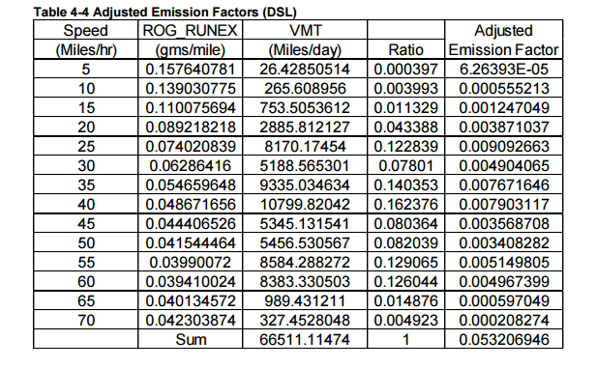
CO2 Cost
TSA CO2 Cost | CO2 Unit Cost | CO2 Emission Rate | Line 1 | Line 2 | Line 3 | Line 4
5T | $1.00 | 0.003568708 | $12.562 | $14.846 | $15.988 | $13.704
8T | $1.00 | 0.003568708 | $18.058 | $21.341 | $22.982 | $19.699
10T | $1.00 | 0.003568708 | $22.768 | $26.908 | $28.978 | $24.838

 | Emission | : Total emissions from road transport
 | EF | : Emission factor, as mass per unit of activity rate
 | Activity | : activity rate (fuel consumed or distance travelled)

Efficient Frontier
Based on Baseline Scenario

Truck Assignment |  |  |  |  |  | CO2
 | Coefficient | Line 1 | Line 2 | Line 3 | Line 4 |  | Coefficient | Line 1 | Line 2 | Line 3 | Line 4
 | 5T | 51.00 | 61.00 | 65.00 | 56.00 |  | 5T | 12.56185216 | 14.84582528 | 15.98781184 | 13.70383872
 | 8T | 57.00 | 67.00 | 72.00 | 62.00 |  | 8T | 18.05766248 | 21.34087384 | 22.98247952 | 19.69926816
 | 10T | 63.00 | 74.00 | 80.00 | 68.00 |  | 10T | 22.76835704 | 26.90805832 | 28.97790896 | 24.83820768

 | Truck Count | Line 1 | Line 2 | Line 3 | Line 4 |  | Truck Count | Line 1 | Line 2 | Line 3 | Line 4
 | 5T | 0 | 1 | 0 | 5 |  | 5T | 1 | 1 | 0 | 1
 | 8T | 1 | 0 | 0 | 0 |  | 8T | 1 | 0 | 1 | 4
 | 10T | 1 | 0 | 1 | 2 |  | 10T | 1 | 5 | 1 | 1

 | Trip | Line 1 | Line 2 | Line 3 | Line 4 |  | Trip | Line 1 | Line 2 | Line 3 | Line 4
 | 5T | 0 | 11 | 0 | 1 |  | 5T | 2 | 1 | 0 | 1
 | 8T | 8 | 0 | 0 | 0 |  | 8T | 4 | 0 | 1 | 1
 | 10T | 1 | 0 | 7 | 1 |  | 10T | 3 | 1 | 6 | 1

When Objective 1 | 1874 | Ideal
Objective 2 | 629.23459456

Objective 1 | 2166
When Objective 2 | 651.5745 | Ideal

For CO2 between | 629.23459 | and | 651.5745

Efficient Frontier (Truck Assignment by CO2) for Baseline Scenario
Maximum | CO2 | Truck Assignment
 | 629 | 1847
 | 630 | 1920
 | 631 | 1908
 | 632 | 1915
 | 633 | 1915
 | 634 | 1915
 | 635 | 1913
 | 636 | 1913
 | 637 | 1906
 | 638 | 1909.717
 | 639 | 1919
 | 640 | 1919
 | 641 | 1919
 | 642 | 1919
 | 643 | 1921
 | 644 | 1928
 | 645 | 1937.725
 | 646 | 1940.864
 | 647 | 1950.729
 | 648 | 1718
 | 649 | 1950.025
 | 650 | 1953.172
 | 651 | 1917
 | 652 | 1768
 | 653 | 1963.31

Efficient Frontier (Truck Assignment by CO2) for Baseline Scenario
 | Truck Assignment
629 | 1908.61
630 | 1874
631 | 1874
632 | 1874
633 | 1874
634 | 1874
635 | 1874
636 | 1874
637 | 1874
638 | 1864.609
639 | 1802
640 | 1874
641 | 1874
642 | 1874
643 | 1874
644 | 1874
645 | 1874
646 | 1874
647 | 1874
648 | 1874
649 | 1874
650 | 1874
651 | 1874
652 | 1874
653
Minimum | CO2 | Truck Assignment
 | 629 | 1908.61
 | 630 | 1874
 | 631 | 1874
 | 632 | 1874
 | 633 | 1874
 | 634 | 1874
 | 635 | 1874
 | 636 | 1874
 | 637 | 1874
 | 638 | 1864.609
 | 639 | 1802
 | 640 | 1874
 | 641 | 1874
 | 642 | 1874
 | 643 | 1874
 | 644 | 1874
 | 645 | 1874
 | 646 | 1874
 | 647 | 1874
 | 648 | 1874
 | 649 | 1874
 | 650 | 1874
 | 651 | 1874
 | 652 | 1874
 | 653

